Org Structure
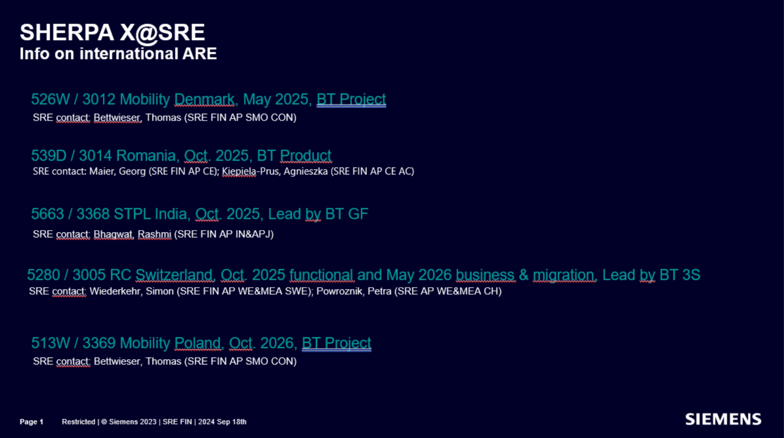
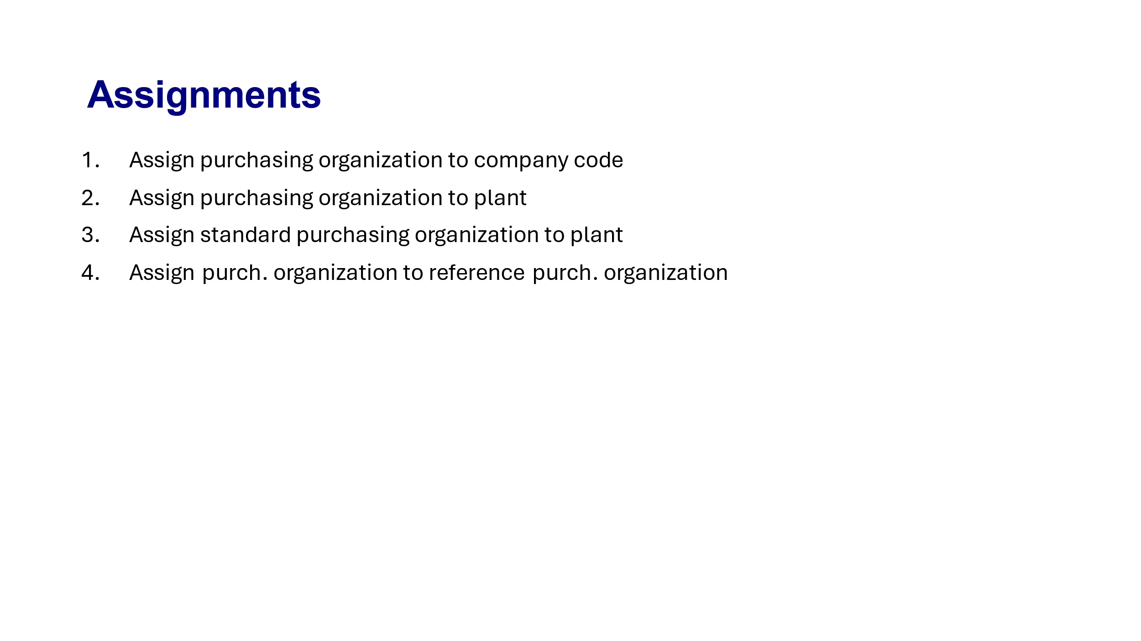
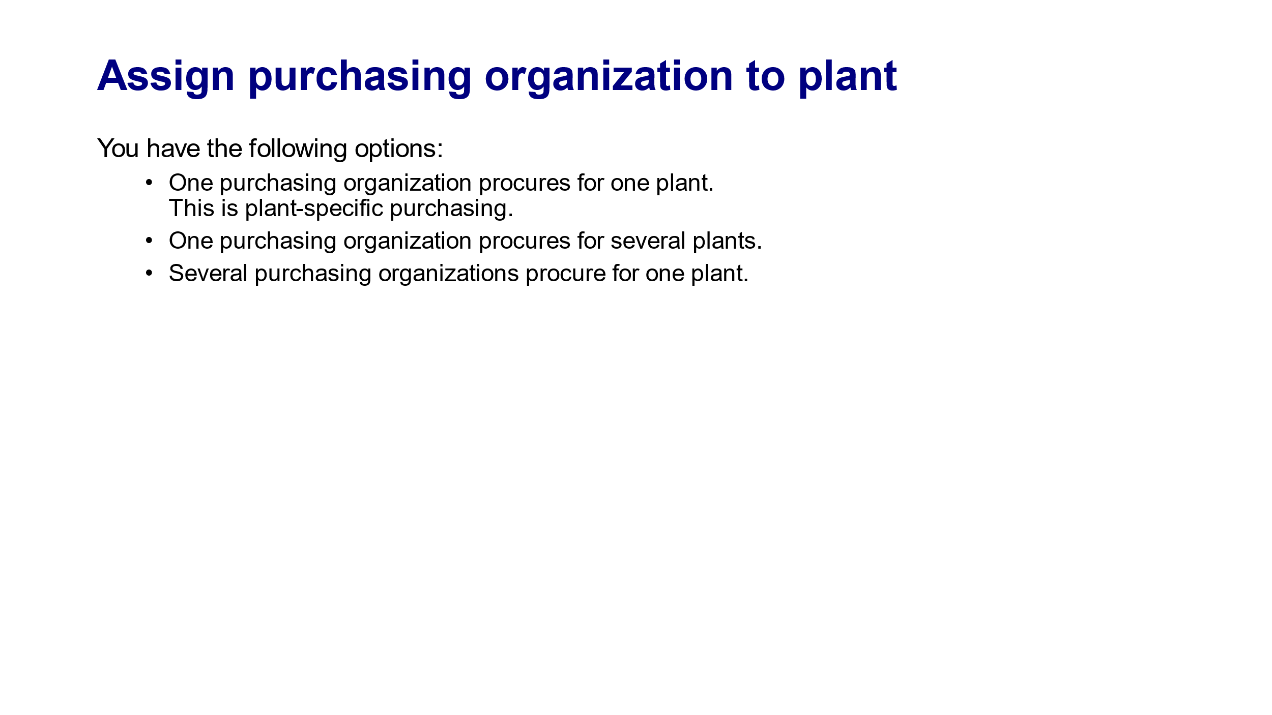
SRE Direct Org Structure
Release | ARE | Company Code (AUN) | Company Code Name | Country | Company ID | Plants | Purchasing Organization (Option 2)- Final | Purchasing Organization Name | SRE Purchasing Groups | Remarks | Reference /Remarks
1410 | 426Q | 3003 | SIB KG | DE | C3 | C300 | C300 | SRE - Change with standard | F01, I01,I02 | P.Org C300 created, P.Group : F01, I01 & I02 is created with dummy information, company code to plan t assignment is done | Link
1420 | 4001 | 3371 | S'Ind.park Karlsr. | DE | CE | CE00 | CE01 |  | F01, IXX
1420 | 442Q | 3372 | SMOREM KG​ | DE | CF | CF00 | CF01 |  | F01, IXX
1420 | 452C | 3373 | IPDG KG​ | DE | CG | CG00 | CG01 |  | F01, IXX
1420 | 5035 | 3384 | Berliner Vermögensverw | DE | CH | CH00 | CH01 |  | F01, IXX
1420 | 523Q | 3385 | Geisenhausener Entw. KG | DE | CI | - | CI01 |  | F01, IXX
1420 | 524Q | 3386 | Moorenbrunn Entw. KG | DE | CJ | - | CJ01 |  | F01, IXX
1420 | 561C | 3374 | CAPTA Grst Verw GmbH | DE | CK | - | CK01 |  | F01, IXX
1420 | 573K | 3375 | SCE Objekt 3 KG​ | DE | CL | - | CL01 |  | F01, IXX
1420 | 574K | 3376 | SCE Objekt 4 KG​ | DE | CM | - | CM01 |  | F01, IXX
1420 | 575K | 3377 | SCE Objekt 5 KG​ | DE | CN | - | CN01 |  | F01, IXX
1420 | 576K | 3378 | SCE Objekt 6 KG​ | DE | CO | - | CO01 |  | F01, IXX
1420 | 577K | 3379 | SCE Objekt 7 KG​ | DE | CP | - | CP01 |  | F01, IXX
1420 | 578K | 3380 | SCE Verwaltungs GmbH​ | DE | CQ | - | CQ01 |  | F01, IXX
1420 | 579K | 3381 | SCE Grundstücks KG​ | DE | CR | - | CR01 |  | F01, IXX
1420 | 580K | 3382 | SCE Objekt GmbH | DE | CS | - | CS01 |  | F01, IXX
 | 7998 | 7998 | SRE HQ | DE | BY |  | BY00 |  | F01,B01, B02 |  | IndirectX
1420 | 539D | 3014 | Romania | RO | C5 | C501,C502, C503 | C501, C502 |  | C01, C02, C03, C04, C05, C06, C07 |  | Release strategy needs to be checked again based on international ARE.
1420 | 5663 | 3368 | STPL India | IN | CT |  | CT01,
1420/1510 | 5280 | 3005 | RC Switzerland | CH | BZ |  | CH01 , (CHXX)
1520 | 513W | 3369 | Mobility Poland | PL | #N/A

Sheet2
